Sheet5
GRAPHS

 |  | RESIDENTIAL ORGANIZATIONS

Residential Organisation: Services
 |  | Organizations | No of Beneficiaries | Normalized Beneficiaries | Cost of Service | Normalized Cost | Scale of Funds | UX | Posting Frequency | Engagement Rates | SEO | Traditional Marketing | Visibility and Transparency | Positive | Services | Positive | Average
 |  | Amar Sena Sangram | 200 | 0.66 | 0 | 0.00 | 1 | 3 | 3 | 3 | 3 | 1 | Testimonials | 2 | Educational Services | 9 | 2.6
MAX | 300 | Saksham Autism Village | 6 | 0 | 10000 | 0.02 | 0.25 | 2 | 2 | 2 | 3 | 1 | Impact Stories | 5 | Healthcare Services | 8 | 2
MIN | 6 | Bhabna Trust Organization | 10 | 0.01 | 450000 | 1.00 | 0.25 | 4 | 2 | 1 | 3 | 1.00 | Mission and Vision | 9 | Vocational Training Services | 8 | 2.2
MAX | 450000 | Autism Ashram | 35 | 0.1 | 20000 | 0.04 | 0.25 | 1 | 4 | 1 | 1 | 4 | Residential Area | 7 | Recreational Services | 8 | 2.2
MIN | 0 | ALFAA | 40 | 0.12 | 80000 | 0.18 | 0.75 | 1 | 3 | 3 | 1 | 3 | Licenses/Certification | 7 | Therapeautic, Social and Emotional Services | 10 | 2.2
 |  | Tamana NGO | 300 | 1 | 40000 | 0.09 | 0.25 | 4 | 3 | 1 | 3 | 3 | Annual Reports | 5 |  |  | 2.8
 |  | Sparks Vidyalaya | 150 | 0.49 | 25000 | 0.05 | 0.25 | 3 | 3 | 1 | 2 | 1 | Financial Statements | 3 |  |  | 2
 |  | Sobti Parents Association | 50 | 0.15 | 0 | 0.00 | 0.25 | 4 | 3 | 1 | 3 | 3 |  |  |  |  | 2.8
 |  | Action for Autism | 60 | 0.18 | 25000 | 0.05 | 1 | 1 | 4 | 1 | 2 | 2 |  |  |  |  | 2
 |  | ADHAR | 300 | 1 | 17,000 | 0.04 | 1 | 2 | 4 | 1 | 3 | 3 |  |  |  |  | 2.6

Residential Organizations: Marketing
Residential Organizations: Beneficiaries and Cost
Residential Organizations: Transparency
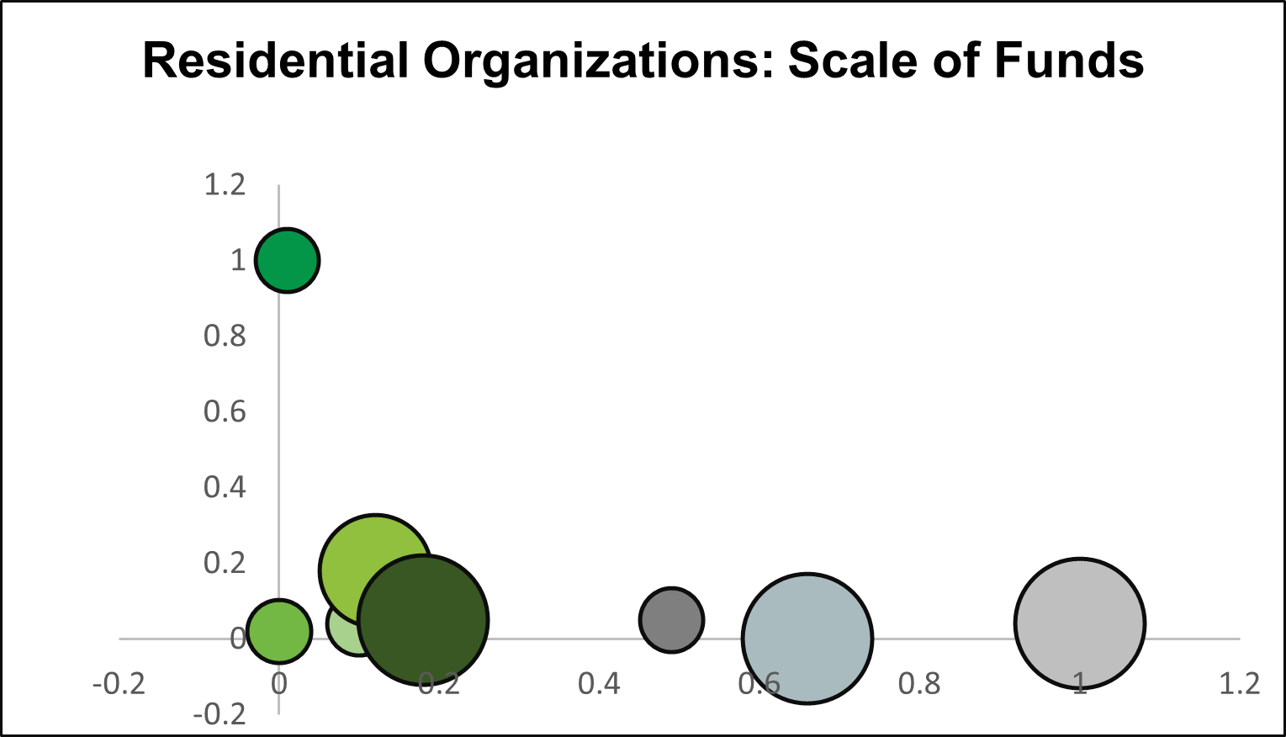
Residential Organisations: Avg Marketing Score and Beneficiaries

Non-Residential: Services
 |  | NON RESIDENTIAL ORGANIZATIONS

 |  | Organizations | No of Beneficiaries | Normalized Beneficiaries | Cost of Service | Normalized Cost | Scale of Funds | UX | Posting Frequency | Engagement Rates | SEO | Traditional Marketing | Visibility and Transparency | Positive | Services | Positive | Average
 |  | Latika Roy Foundation | 1000 | 1 | 5000 | 0.33 | 0.75 | 4 | 4 | 2 | 3 | 3 | Testimonials | 4 | Educational Services | 6 | 3.2
MAX | 1000 | Adult Autism Centre | 40 | 0.01 | 10000 | 0.67 | 0.75 | 3 | 1 | 1 | 4 | 1 | Impact Stories | 7 | Healthcare Services | 3 | 2
MIN | 30 | Diya Foundation | 100 | 0.07 | 8000 | 0.53 | 0.75 | 2 | 4 | 1 | 2 | 1 | Mission and Vision | 8 | Vocational Training Services | 6 | 2
RANGE | 970 | CATCH | 200 | 0.18 | 15000 | 1 | 0.25 | 1 | 4 | 1 | 3 | 1 | Licenses/Certification | 3 | Recreational Services | 6 | 2
MAX | 15000 | India Autism Center | 43 | 0.01 | 12000 | 0.8 | 0.25 | 4 | 4 | 3 | 3 | 1 | Annual Reports | 2 | Therapeautic, Social and Emotional Services | 7 | 3
MIN | 0 | Arvind Foundation | 140 | 0.11 | 0 | 0 | 0.75 | 3 | 1 | 1 | 3 | 1 | Financial Statements | 2 |  |  | 1.8
RANGE | 15000 | Prasanna Autism Centre | 30 | 0 | 10000 | 0.67 | 0.25 | 4 | 2 | 4 | 3 | 3 |  |  |  |  | 3.2
 |  | V-Excel Trust | 123 | 0.1 | 0 | 0 | 0.75 | 3 | 3 | 1 | 3 | 2 |  |  |  |  | 2.4

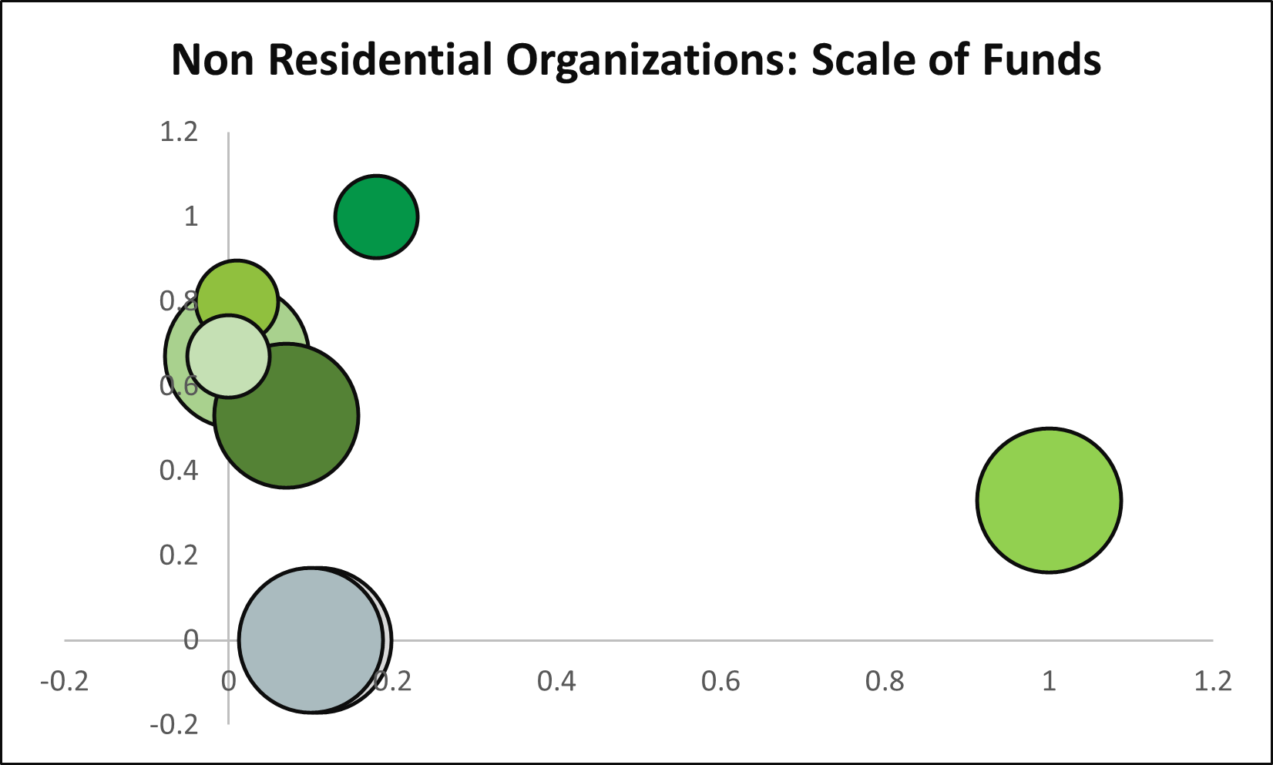
Non Residential Organizations: Beneficiaries and Cost
Non Residential Organizations: Marketing
Non Residential Organizations: Transparency
Non- residential Organisations: Avg Marketing Score and Beneficiaries

